VR-kalkyl
APPLICATION - VETENSKAPSRÅDET |  |  |  | Only yellow cells can be edited |  | Persons to invite |  |  | E-mail address |  | KONSTANTER FÖR AVDELNINGEN/INSTITUTIONEN |  |  |  | DOKTORANDERS LÖNEUTVECKLING
Project title |  |  |  |  |  | Head of dept. |  |  |  |  |  |  |  |  | Det är svårt att göra en exakt kalkyl för en doktorand, eftersom flera variabler spelar in: - Det varierar när en doktorand flyttas upp på doktorandstegen. Det beror på doktorandens ambitioner, ledigheter och mycket annat. - Det är svårt att veta när stegen revideras. Exemplet nedan visar att man kommer ganska nära sanningen för en doktorands löneutveckling med en genomsnittlig löneutveckling på ca 9,5% per år.
Project leader |  |  |  |  |  | Fin. Officer | Sara Järvemo |  | sjarvemo@kth.se |  | LKP | 59.10% | Indirect costs (TB)
 |  |  |  |  |  |  |  |  |  |  | Salary increase | 2.20% | KTH | 29.00%
Project period |  |  |  |  |  | Classifications |  |  |  |  | PhD Student | 10.00% | School | 1.27%
Number of years | 1 |  |  |  |  | SCB code |  |  |  |  |  |  | Department | 4.33%
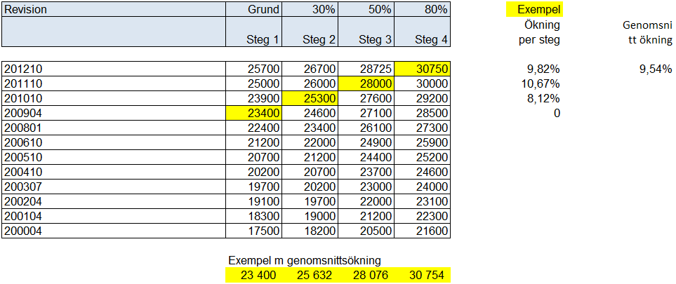
Calculated time | 2024-01-01 | 2024-12-31 |  |  |  |  |  |  |  |  | Office | 18.00% |  | 34.60%

Personnel planning |  |  |  | Enter the full amount (not in thousands SEK)
Calculation of salary costs, will not be registered in Prisma
 |  |  |  | Monthy salary | % of full time |  |  |  |  | Put X for
Title | Name |  |  | 2023 | Year 2024 | Year 2025 | Year 2026 | Year 2027 | Year 2028 | PhD Student
 | 0
 |  |  |  |  |  |  |  |  |  |  | Pictures from Prisma

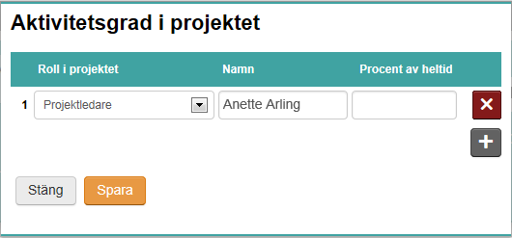

Budget and research resources |  |  |  | Information below should be entered in Prisma
Project staff
Role in the project | Name |  | Percent of full time | Percent of salary | Year 2024 | Year 2025 | Year 2026 | Year 2027 | Year 2028 | Total |  |  |  |  |  | Role in the project
Applicant | 0 |  |  | 0% | 0 | 0 | 0 | 0 | 0 | 0 |  |  |  |  |  | Other personnel with doctoral degree
Participating researcher | 0 |  |  | 0% | 0 | 0 | 0 | 0 | 0 | 0 |  |  |  |  |  | Other personnel without doctoral degree
 | 0 |  |  | 0% | 0 | 0 | 0 | 0 | 0 | 0 |  |  |  |  |  | Participating administrator
 | 0 |  |  | 0% | 0 | 0 | 0 | 0 | 0 | 0 |  |  |  |  |  | Participating researcher
 | 0 |  |  | 0% | 0 | 0 | 0 | 0 | 0 | 0 |  |  |  |  |  | PhD Student
 | 0 |  |  | 0% | 0 | 0 | 0 | 0 | 0 | 0
 | 0 |  |  | 0% | 0 | 0 | 0 | 0 | 0 | 0
 | 0 |  |  | 0% | 0 | 0 | 0 | 0 | 0 | 0
 | 0 |  |  | 0% | 0 | 0 | 0 | 0 | 0 | 0
Total |  |  |  |  | 0 | 0 | 0 | 0 | 0 | 0

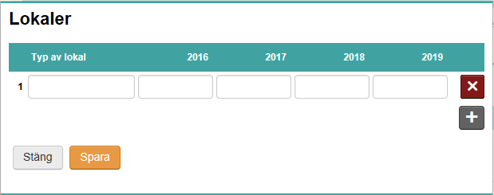
Other costs |  |  |  |  | Enter the full amount (not in thousands SEK)
Premises
Type of premises |  |  |  |  | Year 2024 | Year 2025 | Year 2026 | Year 2027 | Year 2028 | Total
Offices |  |  |  |  | 0 | 0 | 0 | 0 | 0 | 0
 |  |  |  |  |  |  |  |  |  | 0
 |  |  |  |  |  |  |  |  |  | 0
Total |  |  |  |  | 0 | 0 | 0 | 0 | 0 | 0

Running costs
VR: "I.e consumables, travels incl. visits to research institutions, publication costs and small equipment"
Running costs |  | Description |  |  | Year 2024 | Year 2025 | Year 2026 | Year 2027 | Year 2028 | Total
 |  | Travel costs |  |  |  |  |  |  |  | 0
 |  | Publications |  |  |  |  |  |  |  | 0
 |  | Consumables |  |  |  |  |  |  |  | 0
 |  | etc |  |  |  |  |  |  |  | 0
 |  |  |  |  |  |  |  |  |  | 0
 |  |  |  |  |  |  |  |  |  | 0
Total |  |  |  |  | 0 | 0 | 0 | 0 | 0 | 0

Depreciation costs
Depreciation cost |  | Description |  |  | Year 2024 | Year 2025 | Year 2026 | Year 2027 | Year 2028 | Total
Investment cost/5 yrs=Depriciation |  |  |  |  |  |  |  |  |  | 0
(Alt. 3 yrs) |  |  |  |  |  |  |  |  |  | 0
 |  |  |  |  |  |  |  |  |  | 0
Total |  |  |  |  | 0 | 0 | 0 | 0 | 0 | 0

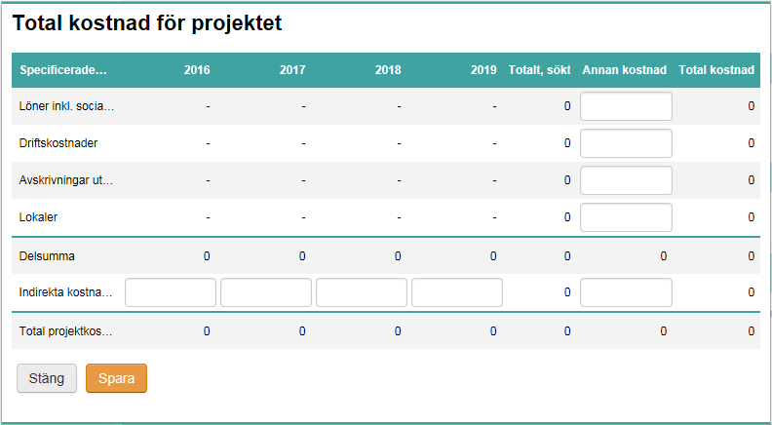
Total project cost
Specified costs |  |  | Year 2024 | Year 2025 | Year 2026 | Year 2027 | Year 2028 | Total, applied | Other costs | Total cost
Salary including social fees |  |  | 0 | 0 | 0 | 0 | 0 | 0 |  | 0
Running costs |  |  | 0 | 0 | 0 | 0 | 0 | 0 |  | 0
Depreciation costs |  |  | 0 | 0 | 0 | 0 | 0 | 0 |  | 0
Premises |  |  | 0 | 0 | 0 | 0 | 0 | 0 | 0 | 0
Subtotal |  |  | 0 | 0 | 0 | 0 | 0 | 0 | 0 | 0
Indirect costs |  |  | 0 | 0 | 0 | 0 | 0 | 0 | 0 | 0
Total project cost |  |  | 0 | 0 | 0 | 0 | 0 | 0 | 0 | 0

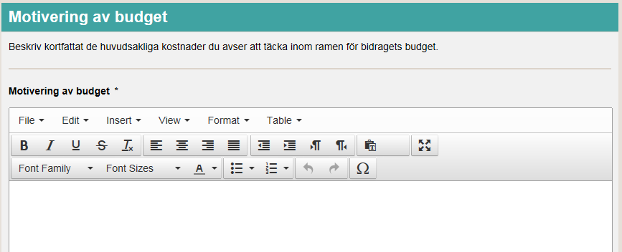
Explanation of the proposed budget
Briefly justify each proposed cost in the stated budget.

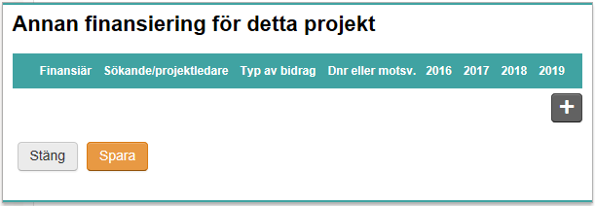
Other funding for this project
Funder | Applicant/project leader |  | Type of grant | Reg no or equiv. | Year 2024 | Year 2025 | Year 2026 | Year 2027 | Year 2028 | Totalt
 |  |  |  |  |  |  |  |  |  | 0
 |  |  |  |  |  |  |  |  |  | 0
 |  |  |  |  |  |  |  |  |  | 0
Total |  |  |  |  | 0 | 0 | 0 | 0 | 0 | 0

